INFO LIS-040
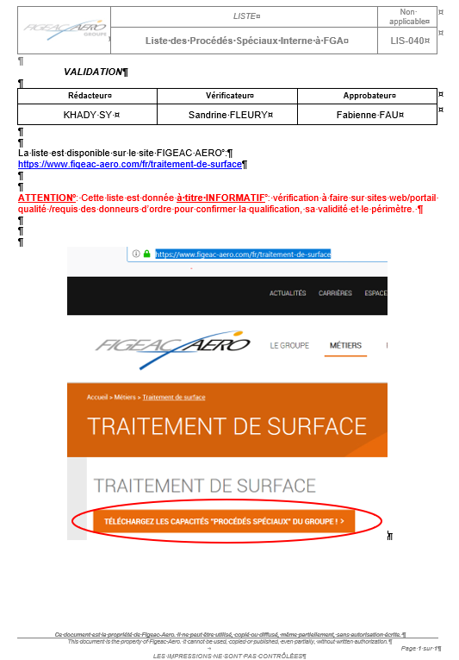
Liste consultable sur le site web FIGEAC AERO : https://www.figeac-aero.com/fr/traitement-de-surface
ATTENTION : Cette liste est donnée à titre INFORMATIF : vérification à faire sur sites web/portail qualité /requis des donneurs d’ordre pour confirmer la qualification, sa validité et le périmètre.

Dernière mise à jour: 20 Avril 2023.

